Wire Frame - Splash


Wgo
in Matsuyama City

Wire Frame - Login
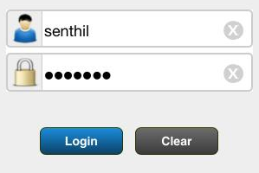
Wgo
Matsuyama City

Wire Frame - Home
Wgo
in Matsuyama City

Issues
Settings
City Map

Wire Frame - Festival List
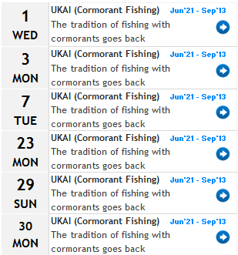
Wgo
 | Matsuyama City

Festivals July 2012

Wire Frame - Festival Detail
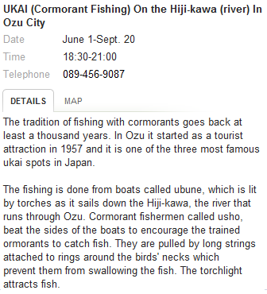
Wgo
 | Matsuyama City

Ukai (Cormorant Fishing)

